Introduction
 |  | Penetration Testing Management Maturity Assessment Tool

Introduction

Overview

Many organisations are extremely concerned about potential and actual cyber security attacks, both on their own organisations and in ones similar to them. Many of these attacks exploit weaknesses in an organisations applications and underlying infrastructure. To help identify these vulnerabilities effectively - and address them effectively - many organisations carry out penetration testing. However, establishing and managing a penetration testing programme can be a very difficult task, even for the most advanced organisations. Each organisation should therefore develop an appropriate penetration testing programme which will enable them to adopt a systematic, structured approach to undertaking penetration testing.

Your penetration testing programme should consist of appropriately skilled people guided by well-designed, repeatable programmes and effective use of relevant technologies that will enable you to conduct thorough penetration tests, successfully identifying and addressing vulnerabilities - and to prevent new ones from occurring.

Many organisations do not know how effective their penetration testing programme is in practice. One of the best ways to help determine the effectiveness of your programme is to measure the level of maturity of your penetration testing programme in terms of:

 | • People, programme, technology and information
 | • Requirements, testing and follow up

This assessment tool (which does not use macros) provides a mechanism for carrying out an assessment of the level of maturity an organisation has for their penetration testing programme at a high level. It can be used to assess the effectiveness of your penetration testing programme.

Note: There two other Penetration Testing Maturity Assessment Tools available, which are the:

 | • Intermediate assessment tool (no macros), which allows an assessment to be made to determine the level of maturity of your penetration testing programme in more depth.
 | • Detailed assessment tool (no macros), which allows a more detailed assessment to be made to determine the level of maturity of your penetration testing programme at a detailed level.
Penetration testing programme

The assessment tool has been developed in conjunction with representatives from a broad range of organisations, including industry bodies, consumer organisations, the UK government and suppliers of expert technical security services. It provides you with an assessment against a maturity model that is based on the 15 steps within the 3 phase penetration testing management programme presented in the CREST Penetration Testing Management Guide, as shown in the diagram below.

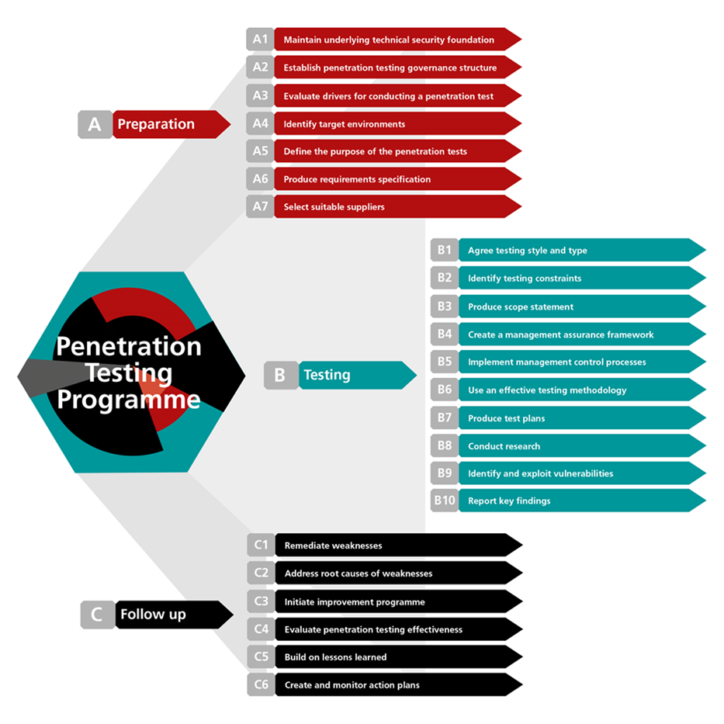

Instructions on how the tool works and how it can be used can be found on the Guidelines worksheet.

Note: The penetration testing maturity assessment tool is one of a series of assessment tools developed by CREST, which include high level and detailed Cyber Security Incident Response Assessment Tools.
Acknowledgements

CREST would like to extend its special thanks to those CREST member organisations and third parties who took part in interviews, participated in the workshop and completed questionnaires.

Warning

This Guide has been produced with care and to the best of our ability. However, CREST accepts no responsibility for any problems or incidents arising from its use.

Credits

This tool has been developed for CREST by

© CREST 2016

Guidelines
 | Penetration Testing Management Maturity Assessment Tool

Guidelines

Maturity model

To carry out penetration testing effectively you will need to build an appropriate penetration testing programme the maturity of which can be assessed against an appropriate maturity model by using this assessment tool.

The maturity model used in this tool is based on a traditional, proven model shown below. This model can be used to determine the level of maturity of your penetration testing programme, ranging from 1 (least effective) to 5 (most effective).

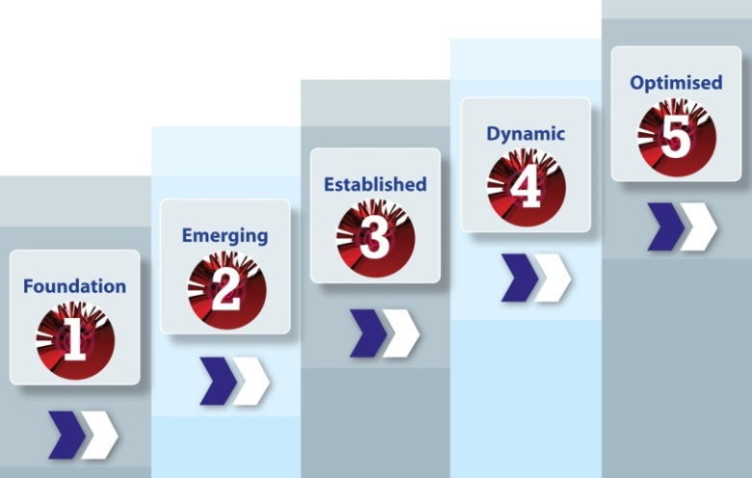

Different types of organisation will require different levels of maturity for their penetration testing programme. For example, a small company operating in the retail business will not have the same requirement – or ability – to carry out penetration tests in the same way as a major corporate organisation in the finance sector – or a government department.

Consequently, the level of maturity your organisation has in penetration testing should be reviewed in context and compared to your actual requirements for such a capability. The maturity of your organisation can then be compared with other similar organisation to help determine if the level of maturity is appropriate.

Note: The maturity of the penetration testing programme can play a significant role in determining the level of third-party involvement required to conduct independent penetration testing. Organisations with a mature penetration testing programme may manage most of their operations in-house, while those who are less mature may depend entirely on third parties.

How to use the tool

This tool allows an assessment to be made to determine the level of maturity of an organisations’ penetration testing programme at a high level. It is based on a simple selection of the level of maturity for each of the 15 steps in the three stages of the programme, aggregating results accordingly.

A weighting factor can be set to give the results for particular steps more importance than others. The selected levels of maturity are then displayed graphically for each of the three phases and overall. Calculations are based on a carefully designed algorithm that takes account of both the level of maturity selected for each step and the step's given weighting.

Step 1 - Complete the details for the environment being assessed in the Profile and Scope worksheet using the text boxes and drop-down lists provided. The name entered for Target of Assessment will automatically appear on the Results worksheets.

Step 2 - On the Targets Worksheet, select the target level required for this assessment by pressing the radar button next to any of the six options available, which are: Introductory - which sets a target of 2 out of 5 across the board Standard - which sets a target of 2 out of 5 across the board Important - which sets a target of 3 out of 5 across the board Very important - which sets a target of 4 out of 5 across the board Critical - which sets a target of 5 out of 5 across the board Custom - which allows you to overwrite any of the individual settings in the Custom column on the far right. These target ratings will show up in all the Results worksheets allowing you to compare actual performance against targets.

Step 3 - On the Assessment worksheets use the checkboxes next to each step to deselect any steps not appropriate to the assessment. Then use the first column of drop-down lists to select the target level of maturity required for each step. Evidence required to support responses can be entered in the Evidence column.

Step 4 - Carry out the assessment by selecting the appropriate level of maturity within the assessed environment for each step using the drop-down lists on the 3 Assessment worksheets, together with any supporting evidence. Any additional comments can be entered in the Comments column.

Step 5 - Review a summary of the results using the Aggregated Results worksheet to gain a high level picture of the overall level of maturity for the environment assessed.

Targets
 Target level configuration
Penetration testing process | Target maturity (1 to 5) |  | Choose a set of targets by clicking on the radio buttons below.
Stage A - Preparation |  |  |  | Introductory | Standard | Important | Very important | Critical | Custom
Step 1 - Maintain a technical security assurance framework |  | 2 |  | 2 | 2 | 3 | 4 | 5 | 1
Step 2 - Establish a penetration testing governance structure |  | 2 |  | 2 | 2 | 3 | 4 | 5 | 1
Step 3 - Evaluate drivers for conducting penetration tests |  | 2 |  | 2 | 2 | 3 | 4 | 5 | 1
Step 4 - Identify target environments |  | 2 |  | 2 | 2 | 3 | 4 | 5 | 1
Step 5 - Define the purpose of the penetration tests |  | 2 |  | 2 | 2 | 3 | 4 | 5 | 1
Step 6 - Produce requirements specifications |  | 2 |  | 2 | 2 | 3 | 4 | 5 | 1
Step 7 - Select suitable suppliers |  | 2 |  | 2 | 2 | 3 | 4 | 5 | 1
Stage B - Testing
Step 1 - Agree testing style and type |  | 2 |  | 2 | 2 | 3 | 4 | 5 | 1
Step 2 - Identify testing constraints |  | 2 |  | 2 | 2 | 3 | 4 | 5 | 1
Step 3 - Produce scope statements |  | 2 |  | 2 | 2 | 3 | 4 | 5 | 1
Step 4 - Establish a management assurance framework |  | 2 |  | 2 | 2 | 3 | 4 | 5 | 1
Step 5 - Implement management control processes |  | 2 |  | 2 | 2 | 3 | 4 | 5 | 1
Step 6 - Use an effective testing methodology |  | 2 |  | 2 | 2 | 3 | 4 | 5 | 1
Step 7 - Conduct sufficient research and planning |  | 2 |  | 2 | 2 | 3 | 4 | 5 | 1
Step 8 - Identify and exploit vulnerabilities |  | 2 |  | 2 | 2 | 3 | 4 | 5 | 1
Step 9 - Report key findings |  | 2 |  | 2 | 2 | 3 | 4 | 5 | 1
Stage C - Follow up
Step 1 - Remediate weaknesses |  | 2 |  | 2 | 2 | 3 | 4 | 5 | 1
Step 2 - Address root causes of weaknesses |  | 2 |  | 2 | 2 | 3 | 4 | 5 | 1
Step 3 - Initiate improvement programme |  | 2 |  | 2 | 2 | 3 | 4 | 5 | 1
Step 4 - Evaluate penetration testing effectiveness |  | 2 |  | 2 | 2 | 3 | 4 | 5 | 1
Step 5 - Build on lessons learned |  | 2 |  | 2 | 2 | 3 | 4 | 5 | 1
Step 6 - Create and monitor action plans |  | 2 |  | 2 | 2 | 3 | 4 | 5 | 1

Weightings

 | Weighting configuration
 |  |  | Level 1 (%) | Level 2 (%) | Level 3 (%) | Level 4 (%) | Level 5 (%)
 |  |  | 0-7 | 9-30 | 31-70 | 71-92 | 93-100
 |  |  | Level 1 | Level 2 | Level 3 | Level 4 | Level 5

 |  | Weighting
Stage A | Preparation
Step 1 | Maintain a technical security assurance framework
A.1.01 | Do you maintain an approved technical security assurance framework, which is focused on protecting your most critical information and systems?
 | A technical security assurance framework would typically include multiple environments for testing, a security architecture, an ongoing security monitoring services (e.g. in a SOC), an adequate range of technical security services and a balanced selection of preventative, detective and reactive security controls; supported by sufficient budget, skilled resources, processes, tools and technologies, adequate management support and an IT or Cyber security risk management programme.
Step 2 | Establish a penetration testing governance structure
A.2.01 | Have you established a suitable governance structure to oversee and coordinate a regular penetration testing programme?
 | An effective governance structure for penetration testing would typically cover all main systems enterprise-wide (while focusing on the most critical), through a penetration testing programme that includes penetration testing processes and methodologies, supplier selection criteria, and a penetration testing assurance management framework; supported by a joint management and technical team to agree the programme and scope of regular penetration testing, an effective change management process and a set of key performance indicators for the results of the penetration tests.
Step 3 | Evaluate drivers for conducting penetration tests
A.3.01 | Have you identified drivers for carrying out penetration tests as part of a technical assurance programme, based on an evaluation of relevant criteria, such as the impact of serious incidents, increased threat levels or significant changes to business or IT processes?
 | Drivers for carrying out penetration tests should: be placed within a wider context of security assessment and strategy to contextualise the findings and recommendations; focus on ensuring that major system vulnerabilities are identified and addressed; and help to reduce the risk of discovering that the same problems still exist the next time a penetration test is carried out.
Step 4 | Identify target environments
A.4.01 | Have you identified target environments that need to be subject to penetration testing, such as critical web applications and important IT infrastructure?
 | Identification of target environments that need to be subject to penetration testing should take account of a wide range of factors including compliance requirements, system criticality and significant changes to critical business processes, as well as being built into relevant stages of systems under development.
Step 5 | Define the purpose of the penetration tests
A.5.01 | Do you define the purpose of penetration tests, evaluating the potential benefits to your organisation?
 | Identifying the purpose of penetration tests should include assessing whether these tests can help your organisation to meet requirements (e.g. identify weaknesses in your security controls; reduce the frequency and impact of security incidents; comply with legal and regulatory requirements); and realise potential benefits (e.g. IT cost reductions; technical and business improvements; greater awareness of security risks and controls) – whilst taking account of any testing limitations or difficulties.
Step 6 | Produce requirements specifications
A.6.01 | Do you define formal requirements for penetration testing carried out in your organisation?
 | Requirements for penetration testing should include consideration of important business applications, key IT infrastructure and confidential data; validation that tests are legal and will not compromise confidential data; and the need for tests to be recorded, reviewed and signed-off.
Step 7 | Select suitable suppliers
A.7.01 | Do you appoint suitable third party suppliers to undertake independent penetration testing (based on defined requirements, benefit evaluation, specified supplier selection criteria and validation of the supplier’s ability to meet your specific requirements)?
 | Effective supplier selection criteria should be used to determine if potential suppliers can satisfactorily meet your specific testing requirements, based on their ability to provide: solid reputation, history and ethics; high quality, value-for-money services; research and development capability; highly competent, technical testers; and security and risk management, supported by a strong professional accreditation and complaint process.
Stage B | Testing
Step 1 | Agree testing style and type
B.1.01 | Do you determine what style of penetration testing is required (e.g. black, grey or white box testing; internal or external testing) and what type of testing is to be performed?
 | When determining the style of penetration testing to be part of the scope, you should: evaluate the need for black, grey or white box testing; consider the use of an ‘external’ penetration test, aimed at IT systems from ‘outside the building’ and / or an internal security test, end-to-end testing (i.e. for people, through data, devices, applications and infrastructure), emerging technologies (e.g. mobile applications); and social engineering. The type of testing to consider as part of the scope should include web application, IT infrastructure and specialised penetration testing, as well as whether or not testing should be performed in live and / or test environments.
Step 2 | Identify testing constraints
B.2.01 | Do you identify any testing constraints associated with planned penetration testing?
 | Testing constraints can include: aspects of the business that cannot be tested due to operational and technical limitations; legal, resourcing or time restrictions; and the likelihood that most penetration testing will not find all vulnerabilities of a given environment.
Step 3 | Produce scope statements
B.3.01 | Do you produce formal scope statements for penetration testing, supported by defined reporting requirements, prior to tests commencing?
 | The scope of penetration tests should: be recorded in a formal document, such as a scope statement, that is signed-off by all relevant parties; include a definition of the target environment; specify resourcing requirements; define liabilities; include follow-up activities; and authorise testing to be conducted. Reporting requirements should specify the format and type of content, when the test report will be delivered, how the test report will be delivered (electronic and / or physical); and arrangements should be made to ensure that your service provider will meet your requirements in a satisfactory manner.
Step 4 | Establish a management assurance framework
B.4.01 | Have you created a documented management assurance framework to help govern all aspects of the penetration test, ensuring that testing meets requirements and testing scope is documented in a comprehensive agreement, defined in a legally binding contact and signed off by all relevant parties before testing starts?
 | The management assurance framework should provide assurance to stakeholders that: the objectives of penetration tests are achieved; contracts with service providers are defined, agreed, signed off and monitored; risks to your organisation (e.g. degradation or loss of services; disclosure of sensitive information) are kept to a minimum; changes to testing scope are managed effectively; and that any problems are resolved satisfactorily.
 | Your assurance process should help you to effectively monitor requirements definitions, planning and preparation, as well as performance of the actual testing; and define control processes over all important management aspects of testing. The penetration testing contract should specify explicit exclusions (e.g. systems that are out of scope); any technical and operational constraints; roles and responsibilities for all parties’ concerned; and specific legal / regulatory requirements; together with specific timings and checkpoints; a problem escalation process; post-test corrective action strategy and action plan development; supported by agreed pricing and terms of business.
Step 5 | Implement management control processes
B.5.01 | Have you implemented effective risk, change and problem management processes that apply to all aspects of penetration testing?
 | Methods of keeping risks to a minimum include: carrying out planning in advance; having a clear definition of scope; using predefined escalation procedures; supported by the use of individual testers with relevant experience and qualifications, working for certified organisations. An effective change management process should: cover changes to the scope of the penetration test, organisational controls and the individuals on the testing team; ensure that all parties involved adhere to the process and that changes to penetration testing are made quickly and efficiently. An effective problem management process should cover: tests not working as planned; problems caused as a result of the penetration testing; breaches of contract or codes of conduct; and effective, timely, problem resolution.
Step 6 | Use an effective testing methodology
B.6.01 | When conducting penetration tests do you use a systematic, structured testing methodology?
 | A systematic, structured testing methodology should: be based on proven approaches designed by authoritative publicly available sources; detail specific evaluation or testing criteria; adhere to a standard common language and scope for performing penetration testing; and specify a required approach (or approaches) for carrying out all stages of a comprehensive end-to-end penetration test.
Step 7 | Conduct sufficient research and planning
B.7.01 | Are detailed test plans produced to provide guidelines for the penetration testing to be undertaken, supported by research to imitate the research activities that a potential attacker could undertake to find out as much about the target environment and how it works as possible?
 | Detailed test plans should be produced by your testing service provider; agreed with your organisation prior to any testing commencing; specify what will actually be done during the test itself; and help to assure the process for a proper security test without creating misunderstandings, misconceptions, or false expectations.
Step 8 | Identify and exploit vulnerabilities
B.8.01 | Does penetration testing include testers identifying a range of potential vulnerabilities in target systems, then trying to exploit the vulnerabilities identified and actually penetrate the target system?
 | Vulnerability identification and exploitation typically include testers examining: Attack avenues, vectors and threat agents; results from threat analysis; technical system / network / application vulnerabilities; and control weaknesses - supported by a range of techniques (e.g. exploit techniques; escalation techniques; advancement techniques; and analysis techniques) to try and take advantage of specific weaknesses.
Step 9 | Report key findings
B.9.01 | Are findings identified during the penetration test reported to your organisation?
 | Findings should be formally presented to your organisation by suppliers, who should provide details about: how testers found the vulnerabilities; what could be the outcome of each vulnerability; the level of risk to the business for each vulnerability; and advice on how to remediate each vulnerability.
Stage C | Follow up
Step 1 | Remediate weaknesses
C.1.01 | Do follow-up activities include remediating weaknesses found during the testing process, reducing the risk of them being exploited again?
 | An effective remediation process should include addressing all issues; applying immediate or short terms solutions (e.g. patching systems, closing ports and preventing traffic from particular web sites or IP addresses), replicating results of penetration tests, determining which weaknesses to address first (e.g. based on risk ratings for critical assets), and reporting weaknesses to relevant third party organisations.
Step 2 | Address root causes of weaknesses
C.2.01 | Do follow-up activities include analysing and addressing the root causes of weaknesses identified in penetration testing?
 | Root cause analysis should include: identifying the real root causes of exposures; evaluating potential business impact; identifying more endemic or fundamental root causes; involving qualified, experienced security professionals to help define corrective action strategy and plans.
Step 3 | Initiate improvement programme
C.3.01 | On completion of penetration tests, is an improvement programme initiated?
 | The improvement programme should be carried out in a structured / systematic manner: addressing root causes of weakness; evaluating penetration testing effectiveness; identifying lessons learned; applying good practice enterprise-wide; creating and monitoring action plans; and agreeing approaches for future testing.
Step 4 | Evaluate penetration testing effectiveness
C.4.01 | Is the effectiveness of your penetration tests evaluated?
 | Evaluation of the effectiveness of penetration testing should include: determining if objectives were met; assessing if sufficient weaknesses were identified; reviewing exploitations undertaken; comparing test results to external benchmarks; and determining if value for money was obtained from your service provider.
Step 5 | Build on lessons learned
C.5.01 | Does your penetration testing approach include identifying, recording, analysing and acting upon lessons learned, ensuring good practices are applied to other environments?
 | Lessons learned before, during and after penetration tests have been conducted should be used to help in planning future tests and provide feedback to service providers to help them improve processes. Good practices identified as a result of penetration tests conducted for one environment should be applied to a wide range of other environments, and rolled out in a consistent and effective manner, fixing root causes endemically.
Step 6 | Create and monitor action plans
C.6.01 | Are action plans created to help act upon follow-up activities undertaken and used to provide input into the design and scope of future tests?
 | Actions plans should: be formally developed and approved; outline all relevant actions to be taken, include relevant details of the actions to be taken, implemented effectively and monitored to ensure progress is being made and that risks are being kept within acceptable limits. Results from penetration tests should be used when considering what to test in the future (e.g. infrastructure, web applications, mobile devices), how future tests should be undertaken; and when (e.g. on a regular basis (e.g. annually); after significant technical or business changes are made: or in response to a major security incident).

Aggregated Results
A.1 - Maintain a technical security assurance framework | 2 |  |  | 1 |  |  | 4.00
A.2 - Establish a penetration testing governance structure | 2 |  |  | 1 |  |  | 3.00
A.3 - Evaluate drivers for conducting penetration tests | 2 |  |  | 1 |  |  | 2.00
A.4 - Identify target environments | 2 |  |  | 1 |  |  | 3.00
A.5 - Define the purpose of the penetration tests | 2 |  |  | 1 |  |  | 2.00
A.6 - Produce requirements specifications | 2 |  |  | 1 |  |  | 4.00
A.7 - Select suitable suppliers | 2 |  |  | 1 |  |  | 3.00
B.1 - Agree testing style and type |  | 2 |  |  | 1 |  |  | 4
B.2 - Identify testing constraints |  | 2 |  |  | 1 |  |  | 4
B.3 - Produce scope statements |  | 2 |  |  | 1 |  |  | 4
B.4 - Establish a management assurance framework |  | 2 |  |  | 1 |  |  | 3
B.5 - Implement management control processes |  | 2 |  |  | 1 |  |  | 3
B.6 - Use an effective testing methodology |  | 2 |  |  | 1 |  |  | 4
B.7 - Conduct sufficient research and planning |  | 2 |  |  | 1 |  |  | 5
B.8 - Identify and exploit vulnerabilities |  | 2 |  |  | 1 |  |  | 4
B.9 - Report key findings |  | 2 |  |  | 1 |  |  | 4
C.1 - Remediate weaknesses |  |  | 2 |  |  | 1 |  |  | 2
C.2 - Address root causes of weaknesses |  |  | 2 |  |  | 1 |  |  | 2
C.3 - Initiate improvement programme |  |  | 2 |  |  | 1 |  |  | 3
C.4 - Evaluate penetration testing effectiveness |  |  | 2 |  |  | 1 |  |  | 3
C.5 - Build on lessons learned |  |  | 2 |  |  | 1 |  |  | 2
C.6 - Create and monitor action plans |  |  | 2 |  |  | 1 |  |  | 3
Aggregated maturity levels
 | Maturity level (1 to 5) |  | Target maturity (1 to 5) |  | Benchmark Rating
Stage A - Preparation | Maturity level: Level 1 |  |  |  |  | TRUE | TRUE | TRUE
Step 1 - Maintain a technical security assurance framework |  | 1 |  | 2 | 4
Step 2 - Establish a penetration testing governance structure |  | 1 |  | 2 | 3
Step 3 - Evaluate drivers for conducting penetration tests |  | 1 |  | 2 | 2
Step 4 - Identify target environments |  | 1 |  | 2 | 3
Step 5 - Define the purpose of the penetration tests |  | 1 |  | 2 | 2
Step 6 - Produce requirements specifications |  | 1 |  | 2 | 4
Step 7 - Select suitable suppliers |  | 1 |  | 2 | 3
Stage B - Testing | Maturity level: Level 1
Step 1 - Agree testing style and type |  | 1 |  | 2 | 4
Step 2 - Identify testing constraints |  | 1 |  | 2 | 4
Step 3 - Produce scope statements |  | 1 |  | 2 | 4
Step 4 - Establish a management assurance framework |  | 1 |  | 2 | 3
Step 5 - Implement management control processes |  | 1 |  | 2 | 3
Step 6 - Use an effective testing methodology |  | 1 |  | 2 | 4
Step 7 - Conduct sufficient research and planning |  | 1 |  | 2 | 5
Step 8 - Identify and exploit vulnerabilities |  | 1 |  | 2 | 4
Step 9 - Report key findings |  | 1 |  | 2 | 4
Stage C - Follow up | Maturity level: Level 1
Step 1 - Remediate weaknesses |  | 1 |  | 2 | 2
Step 2 - Address root causes of weaknesses |  | 1 |  | 2 | 2
Step 3 - Initiate improvement programme |  | 1 |  | 2 | 3
Step 4 - Evaluate penetration testing effectiveness |  | 1 |  | 2 | 3
Step 5 - Build on lessons learned |  | 1 |  | 2 | 2
Step 6 - Create and monitor action plans |  | 1 |  | 2 | 3

